Script
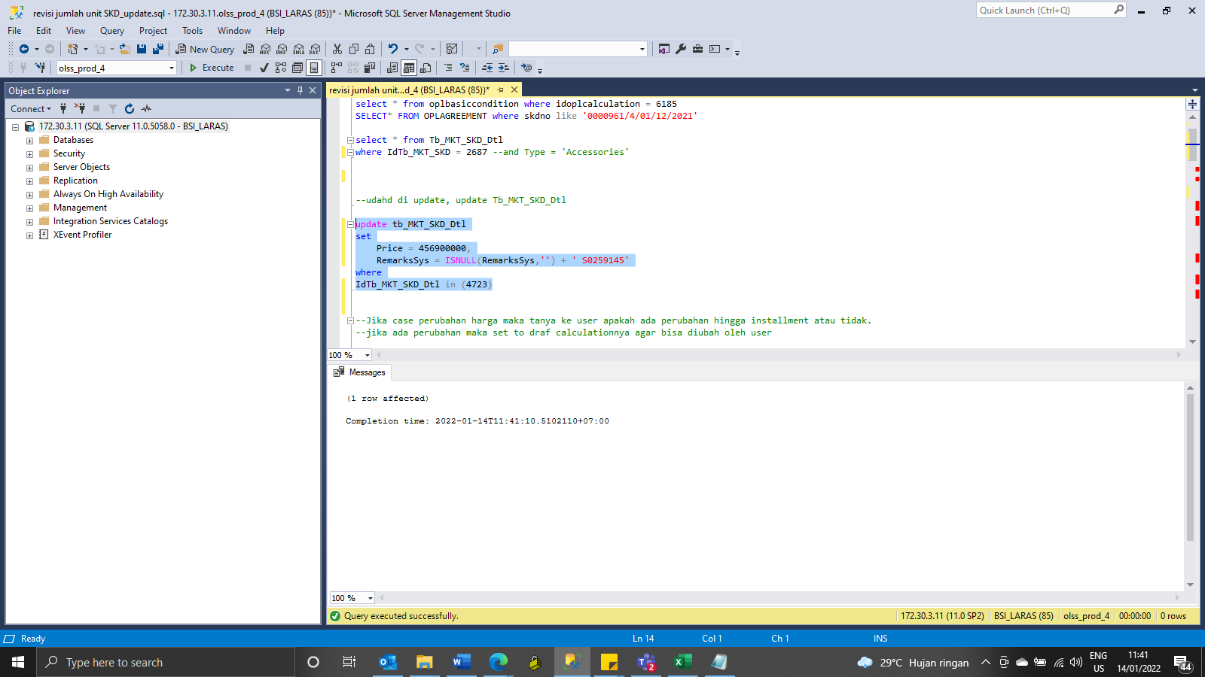
update tb_MKT_SKD_Dtl
set
Price = 456900000,
RemarksSys = ISNULL(RemarksSys,'') + ' S0259145'
where
IdTb_MKT_SKD_Dtl in (4723)

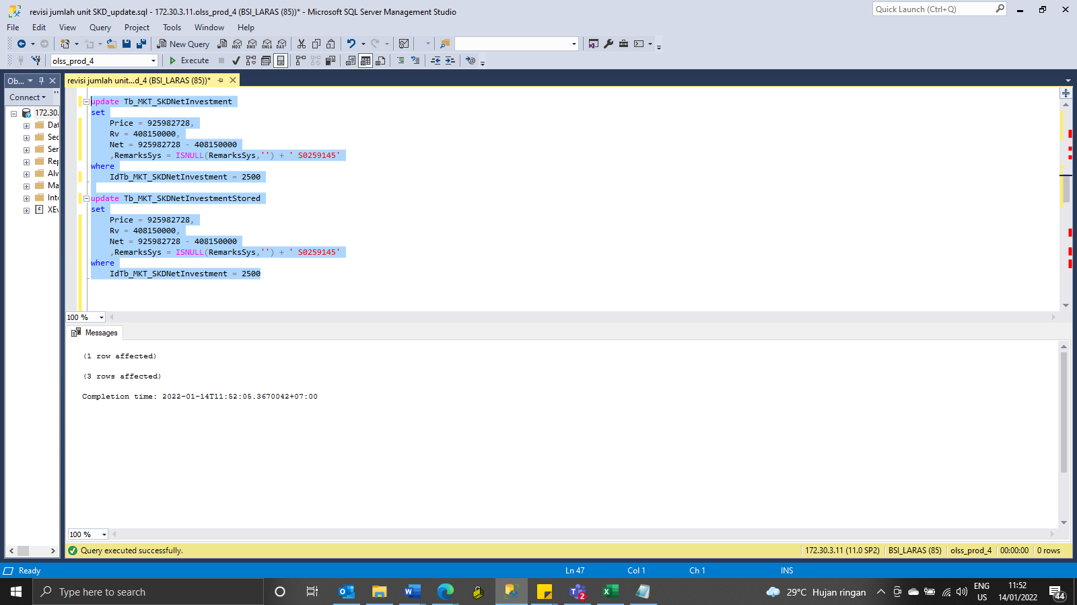
update Tb_MKT_SKDNetInvestment
set
Price = 925982728,
Rv = 408150000,
Net = 925982728 - 408150000
 | ,RemarksSys = ISNULL(RemarksSys,'') + ' S0259145'
where
IdTb_MKT_SKDNetInvestment = 2500

update Tb_MKT_SKDNetInvestmentStored
set
Price = 925982728,
Rv = 408150000,
Net = 925982728 - 408150000
 | ,RemarksSys = ISNULL(RemarksSys,'') + ' S0259145'
where
IdTb_MKT_SKDNetInvestment = 2500

update Tb_PRO_PODtl set OTRPrice = 456900000, RemarksSys = ISNULL(RemarksSys,'') + ' S0258175' WHERE IdTb_PRO_PO = 2072
update Tb_PRO_PODtl_HistoryDtl set OTRPrice = 456900000, RemarksSys = ISNULL(RemarksSys,'') + ' S0258175' WHERE IdTb_PRO_PO = 2072
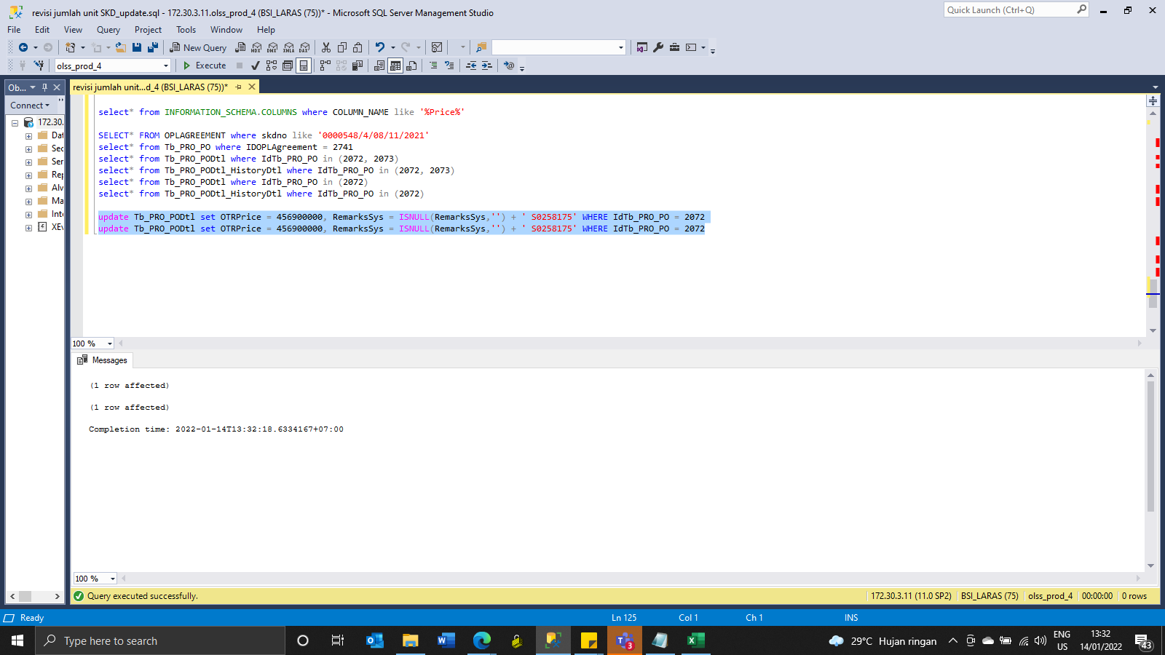

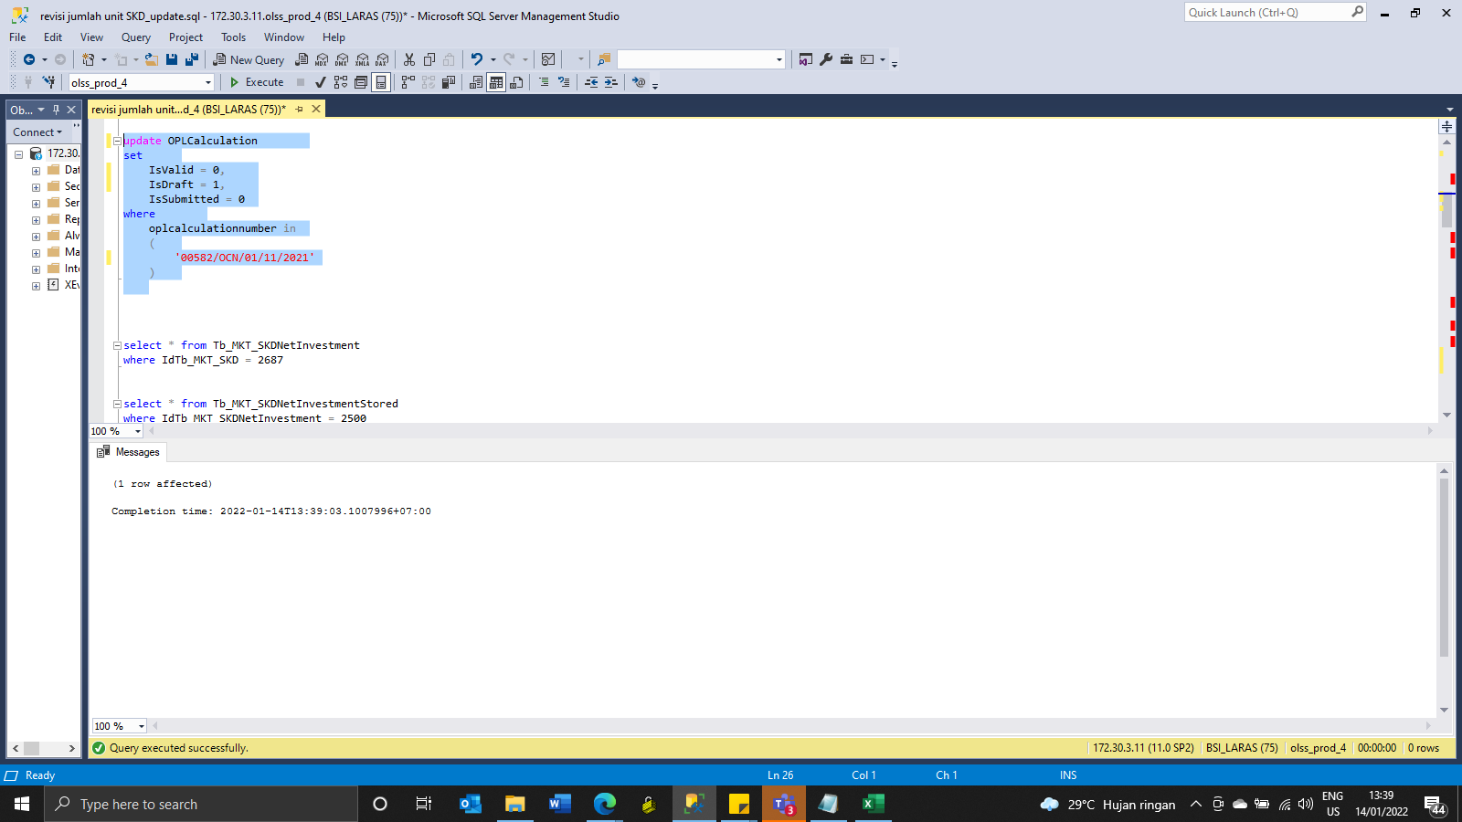
update OPLCalculation
set
 | IsValid = 0,
 | IsDraft = 1,
 | IsSubmitted = 0
where
 | oplcalculationnumber in
 | (
 |  | '00582/OCN/01/11/2021'
 | )

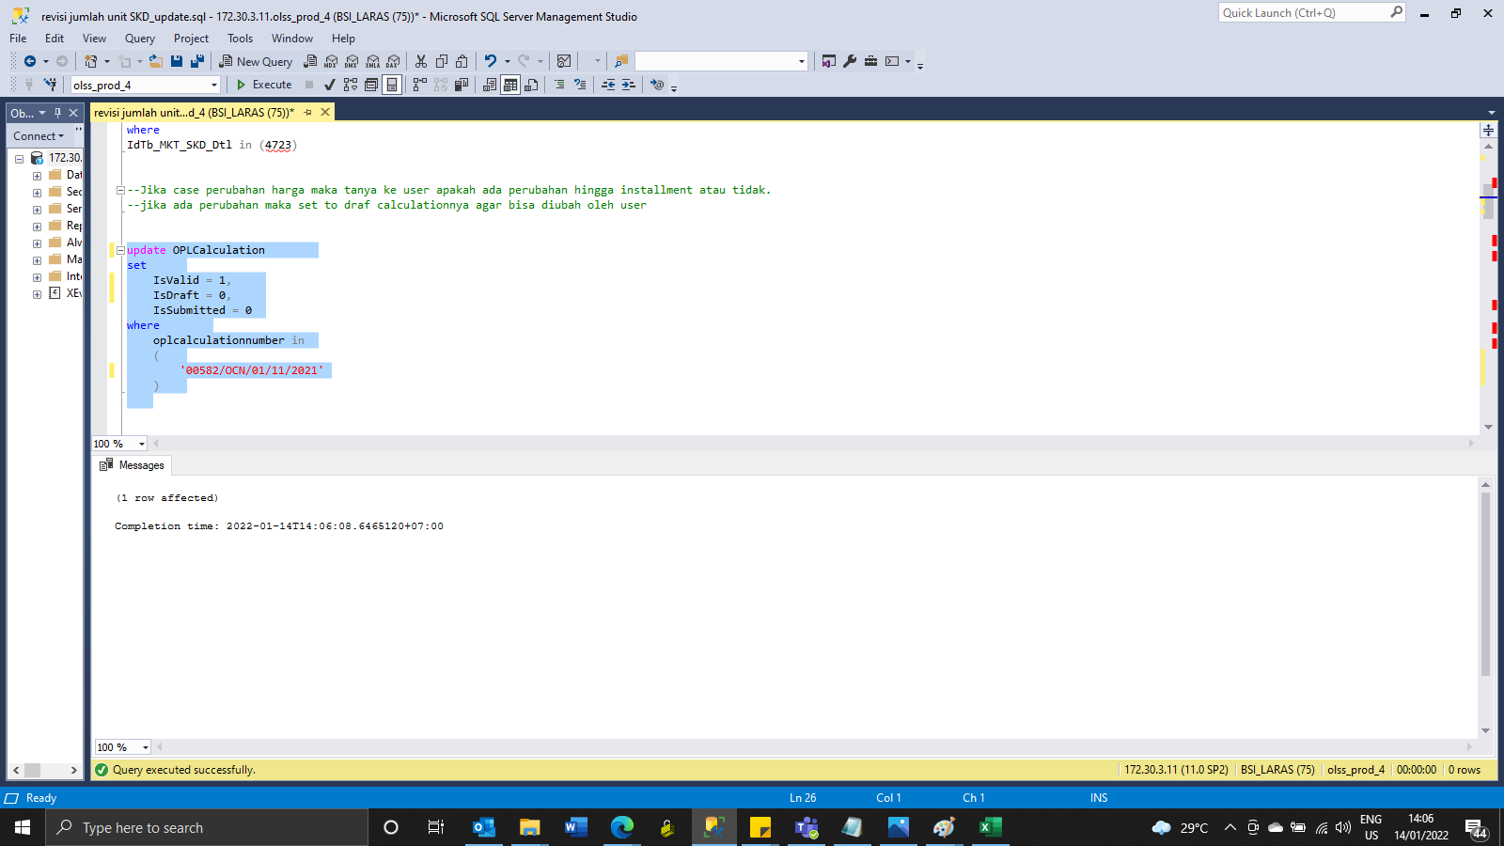
update OPLCalculation
set
 | IsValid = 1,
 | IsDraft = 0,
 | IsSubmitted = 0
where
 | oplcalculationnumber in
 | (
 |  | '00582/OCN/01/11/2021'
 | )

Capture
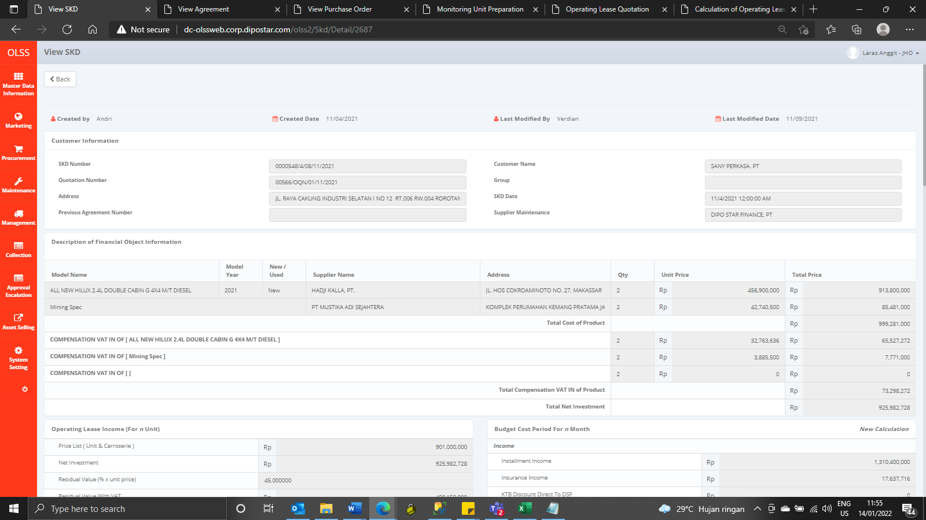
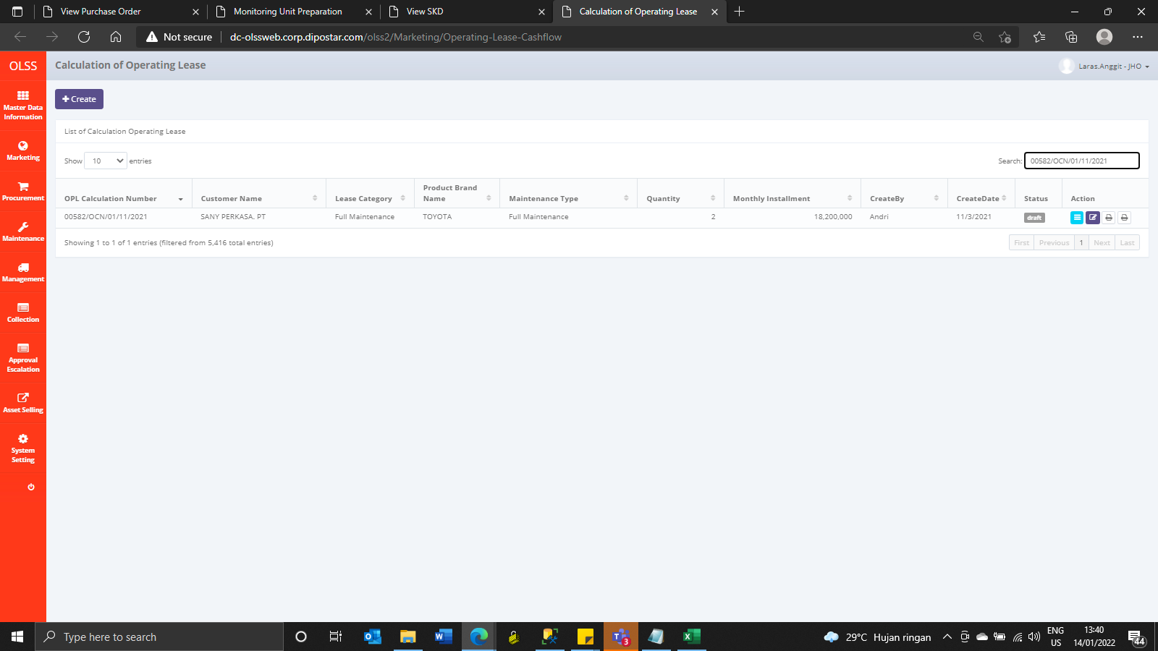
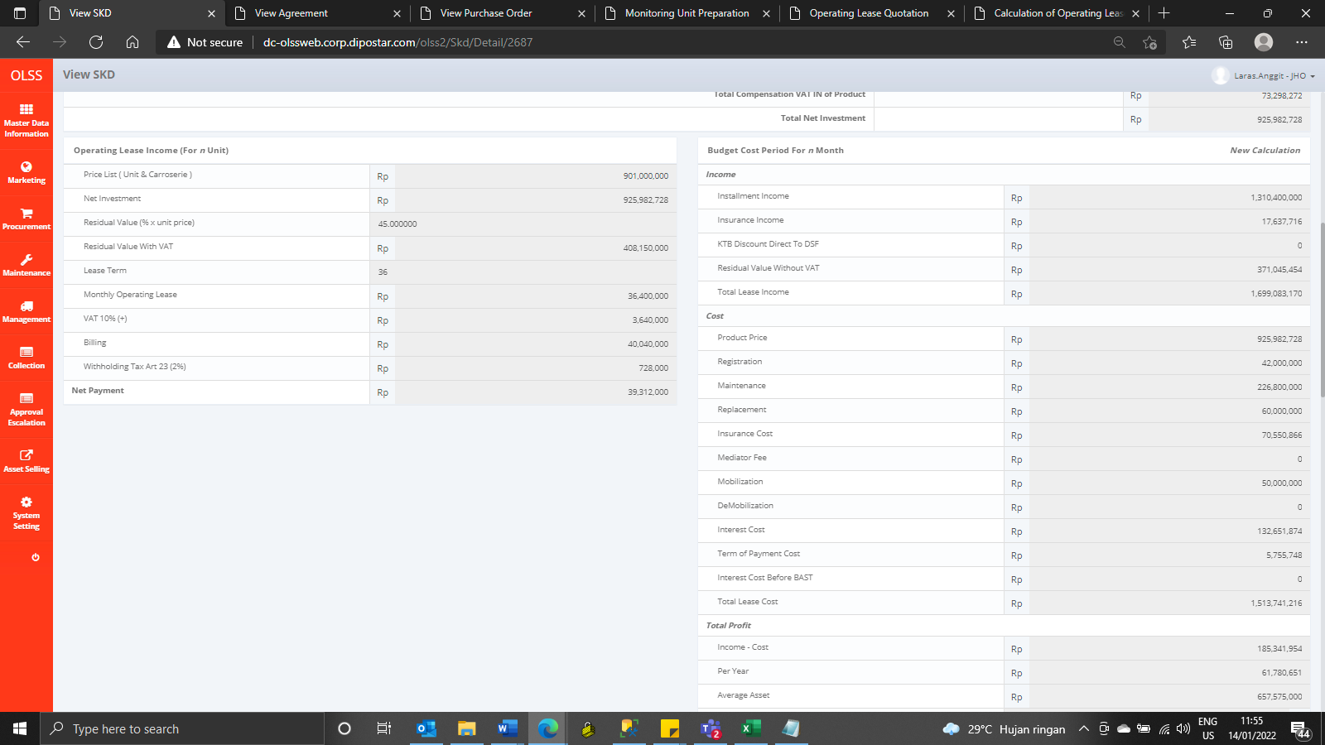
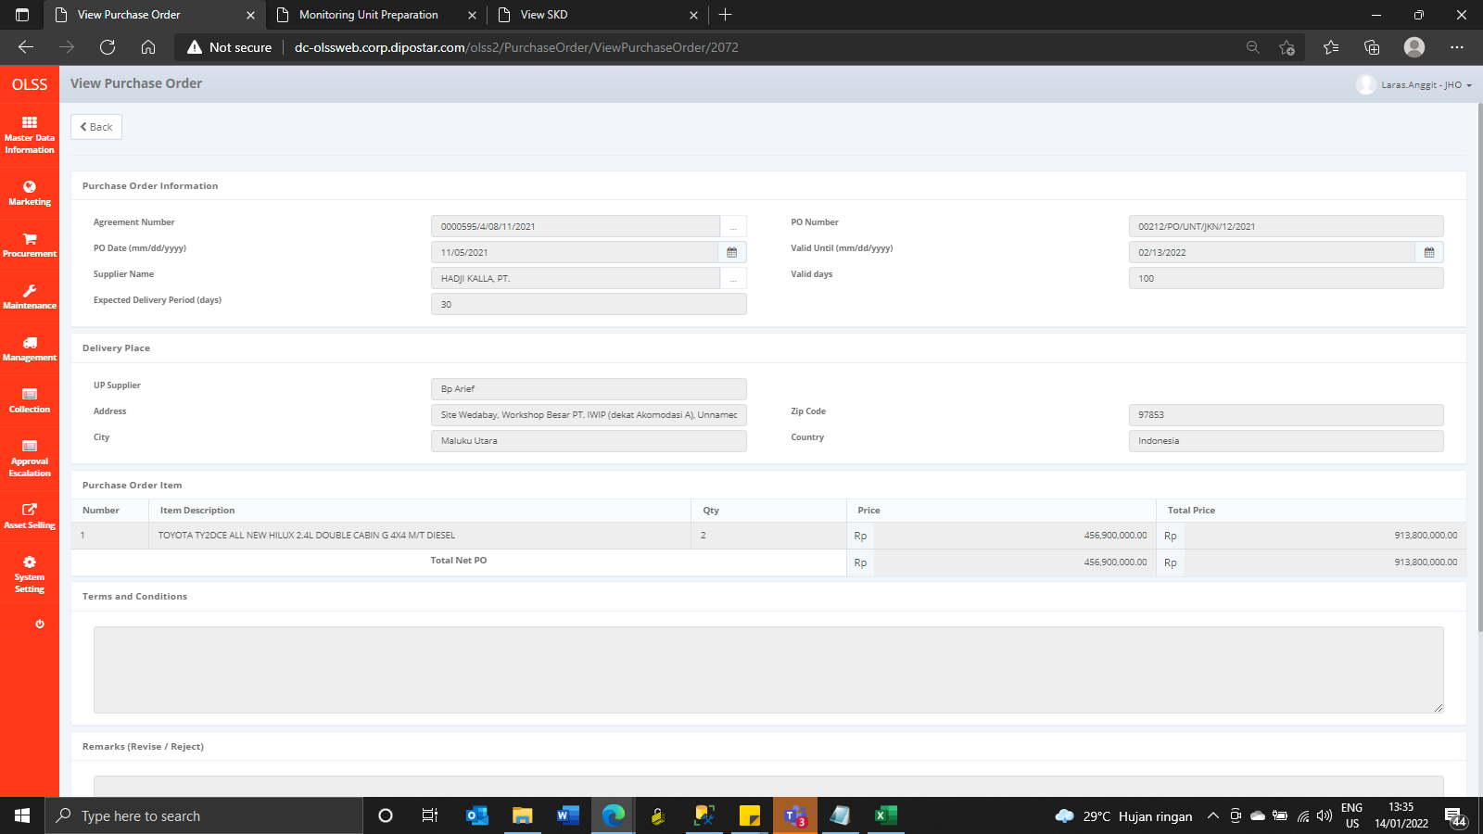
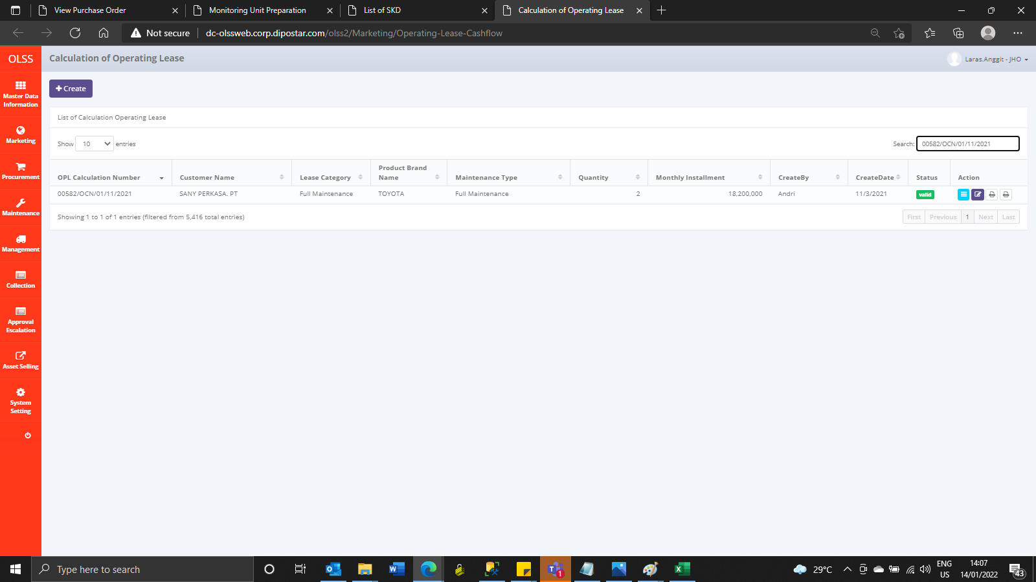
Before
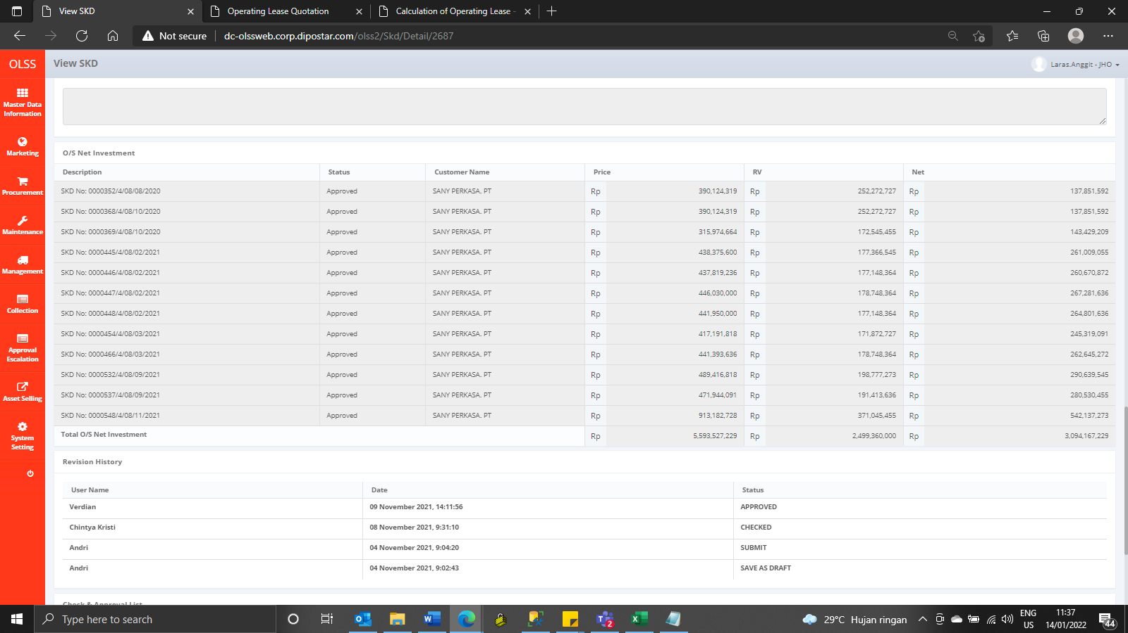
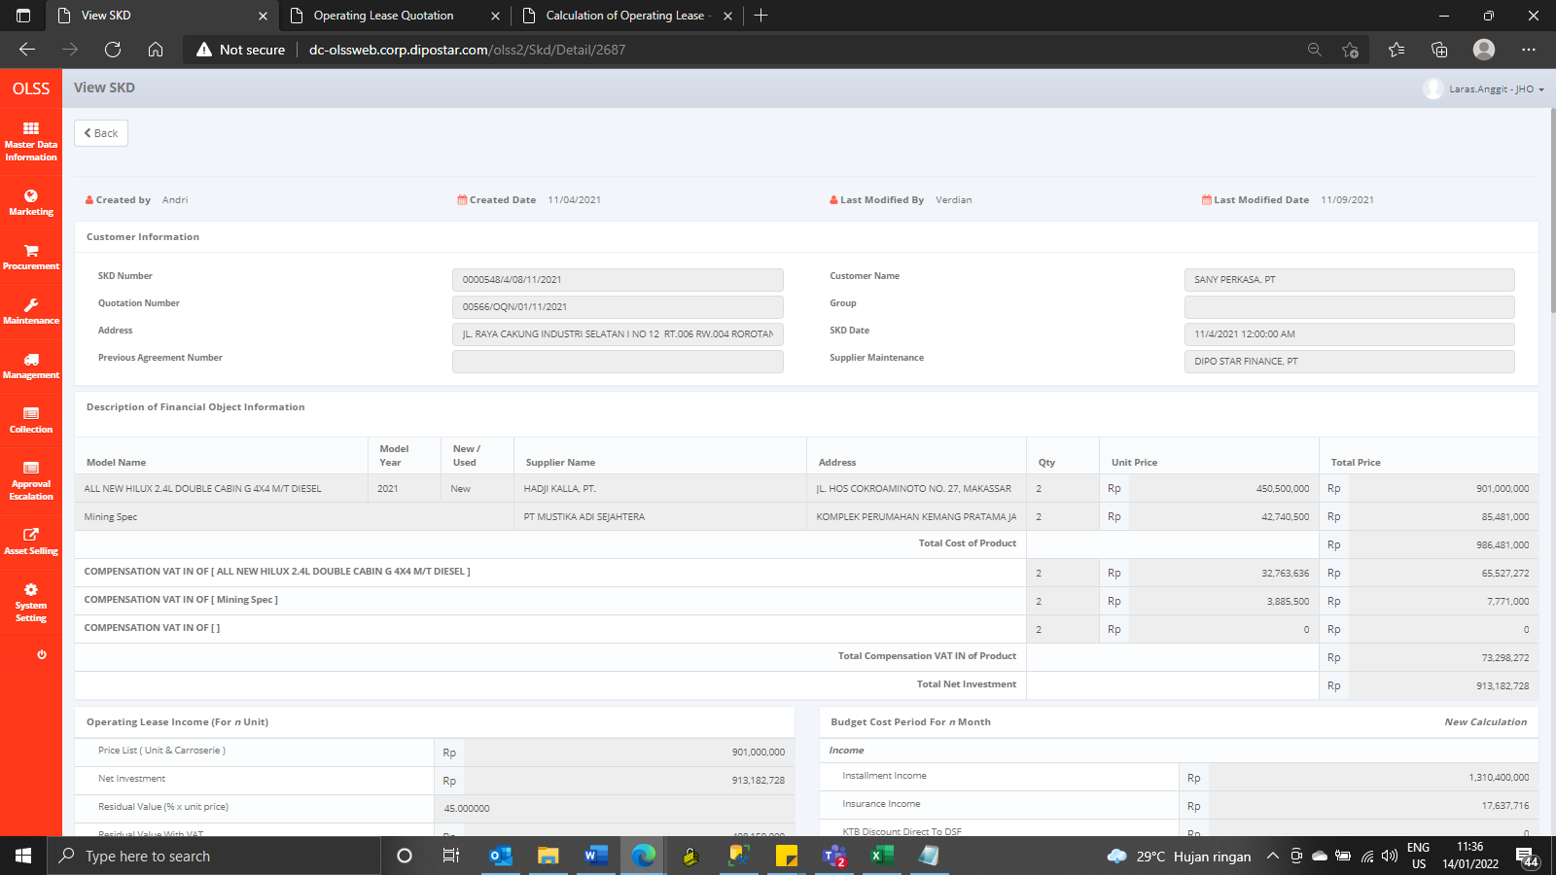


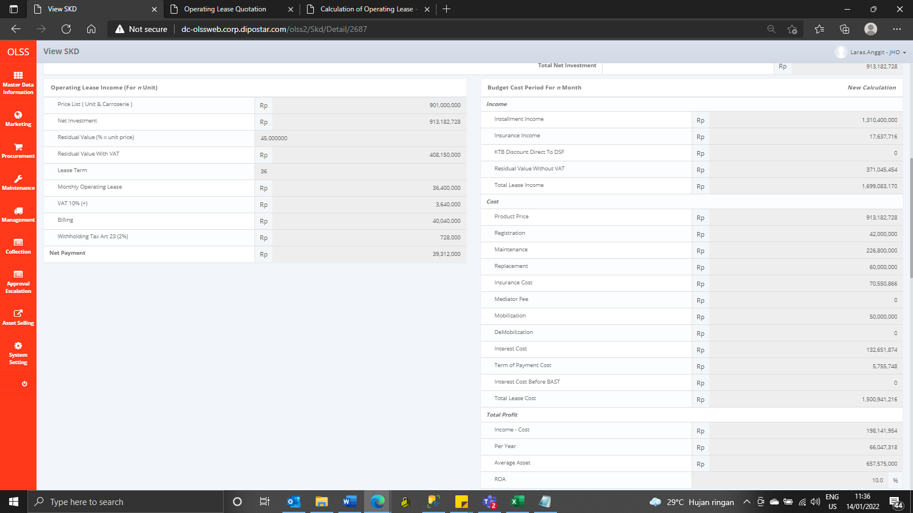
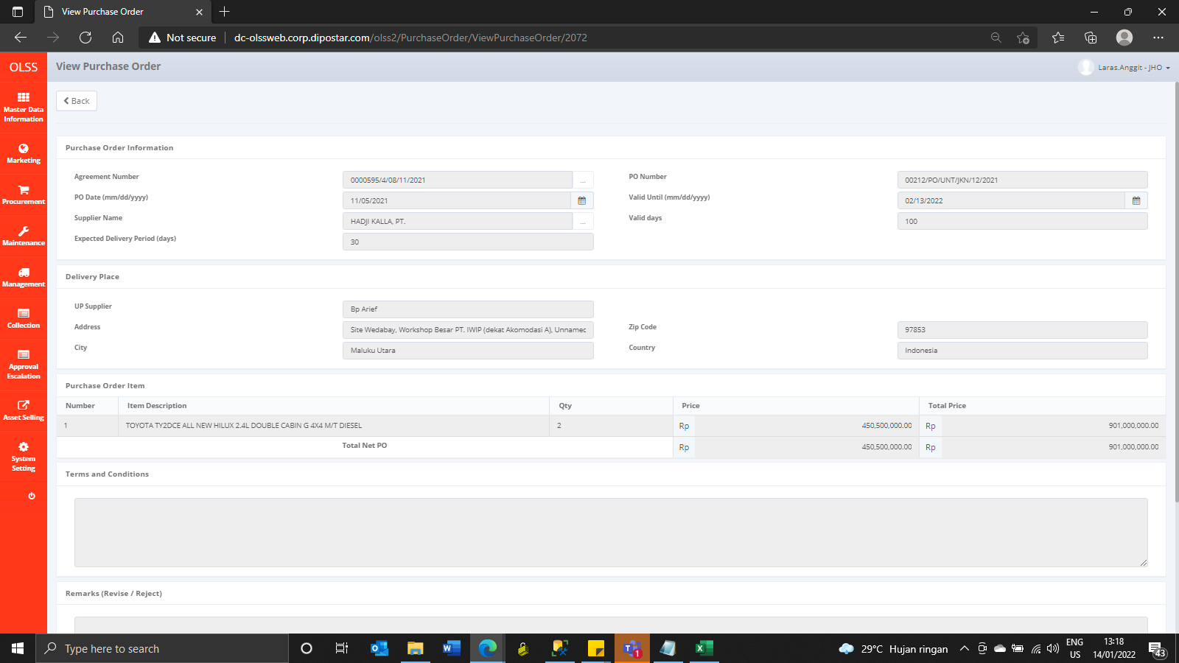

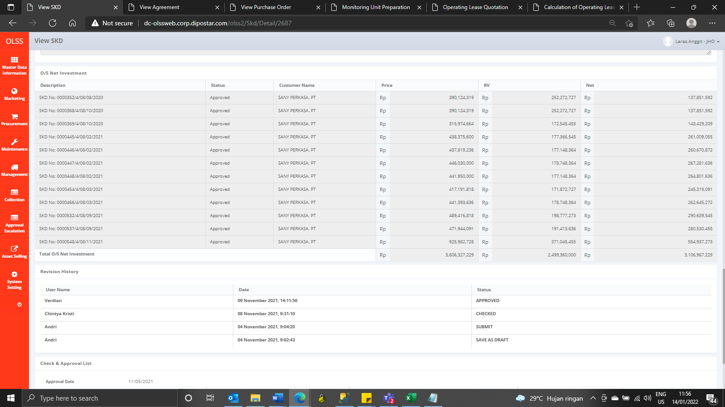
After

